Sprint 4 #29
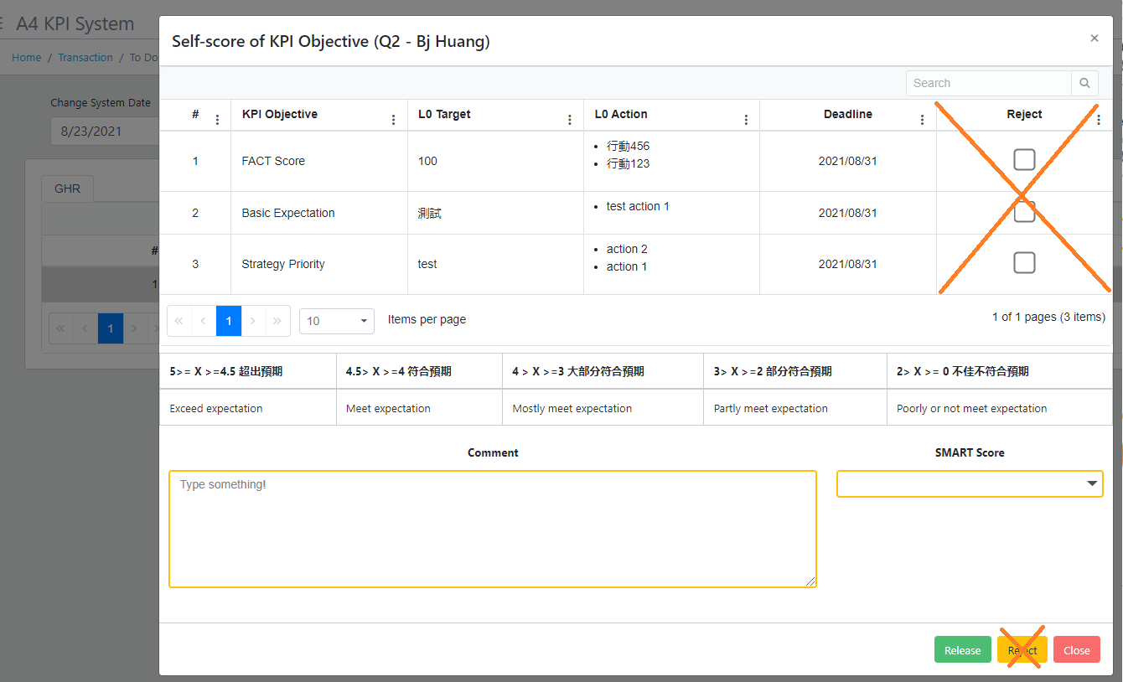
GHR tab, remove Reject function

Sprint 4 #30
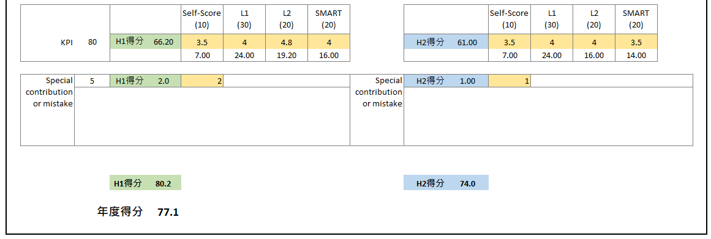
H1 or H2 Score, the same to People Committee window.

Detail
People Committee
# |  | Dept. | Name | Score | Option
1 |  | Operation Center | Coni Lin
Detail
2 |  | Operation Center | Frank Lee
Detail
3 |  | Operation Center | Morgan Hsiao
Detail
4 |  | Operation Center | Anita Chien
Detail
5 |  | Production Center | Lai He
Detail
6 |  | Production Center | Zhu Gang
Detail
7 |  | Development Center | BJ Huang
Detail
8 |  | QC | Mel Kuo

Refer to OC user, Sort by Dept. to display.
Refer to Account Fullname.

This part means Final confirmation.
In the end of Q2 & Q4, all managers will discuss each L0 performance then make the final score (they may revise the score), it means make confirmation, this module is for GHR open in the meeting let every manager view & GHR revise if any.
The data source & score calculation formula are the same to Report H1 & H2 Report.
I frame some columns in Orange color, means the column allow to let user revise.
After clicking Submit, save & close.
Report score may be changed, based on this window (People Committee)

Save data & close the window.

Back
Back
People Committee |  |  |  |  |  |  |  | H2
 | Dept. | Operation Center | Name | Coni Lin |  |  |  |  | Dept. | Lab | Name | Yvonne.Hsueh

 | Q1 & Q2 目標與行動記錄 |  |  |  |  |  |  |  | Q3 & Q4 目標與行動記錄
 | # | KPI Objective | L0 Target | Action | H1 | Result of Jan. |  |  | # | KPI Objective | L0 Target | Action | H1 | Result of Jan.
 | 1 | 开发样品每月签CWA FGT 通过率 95% | FGT 通过率 95% | 1. 每周四9:00 参与QC主导的FGT 检讨会议…… 2. …… | Dec | 样品室 通过 94% (共237art' ,通过 178个 不通过59个…….. |  |  | 1 | 开发样品每月签CWA FGT 通过率 95% | FGT 通过率 95% | 1. 每周四9:00 参与QC主导的FGT 检讨会议…… 2. …… | Jun | 样品室 通过 94% (共237art' ,通过 178个 不通过59个……..
 |  |  |  |  | Jan | 样品室 通过 88 % (共16 art' ,通过 12个 不通过4个…….. |  |  |  |  |  |  | Jul | 样品室 通过 88 % (共16 art' ,通过 12个 不通过4个……..
 |  |  |  |  | Feb | …… |  |  |  |  |  |  | Aug | ……
 |  |  |  |  | Mar | …… |  |  |  |  |  |  | Sep | ……
 |  |  |  |  | Apr | …… |  |  |  |  |  |  | Oct | ……
 |  |  |  |  | May | …… |  |  |  |  |  |  | Nov | ……
 | 2 | KPI Objective B | Self-Objective B | 1. …. 2. …. 3. ….. | Dec | …… |  |  | 2 | KPI Objective B | Self-Objective B | 1. …. 2. …. 3. ….. | Jun | ……
 |  |  |  |  | Jan | …… |  |  |  |  |  |  | Jul | ……
 |  |  |  |  | Feb | …… |  |  |  |  |  |  | Aug | ……
 |  |  |  |  | Mar | …… |  |  |  |  |  |  | Sep | ……
 |  |  |  |  | Apr | …… |  |  |  |  |  |  | Oct | ……
 |  |  |  |  | May | …… |  |  |  |  |  |  | Nov | ……

 | KPI 評語 |  |  |  |  |  |  |  | KPI 評語
 | KPI Comments |  | Q1 |  | Q2 |  |  |  | KPI Comments |  | Q3 |  | Q4
 | L1 |  |  |  |  |  |  |  | L1
 | L2 |  |  |  |  |  |  |  | L2
 | Functional leader |  |  |  |  |  |  |  | Functional leader

 | 態度評語 |  |  |  |  |  |  |  | 態度評語
 | Attitude Comments |  | H1 |  |  |  |  |  | Attitude Comments |  | H2
 | L1 |  |  |  |  |  |  |  | L1
 | L2 |  |  |  |  |  |  |  | L2
 | Functional leader |  |  |  |  |  |  |  | Functional leader

 | Attitude Score H1 |  |  |  |  |  |  |  | Attitude Score H2
 | L1 |  | L2 |  | Functional leader |  |  |  | L1 |  | L2 |  | Functional leader

 | KPI Score H1 |  |  |  |  |  |  |  | KPI Score H2
 | Self |  | L1 |  | L2 |  | GHR SMART Score |  | Self |  | L1 |  | L2 |  | GHR SMART Score

 | Special score |  | Special Contribution or Mistake (If any) 重大貢獻或錯誤(如有) |  |  |  |  |  | Special score |  | Special Contribution or Mistake (If any) 重大貢獻或錯誤(如有)

To the top. (Swook pretty likes this icon~ wants to change the Top button to this one :)
 | H1 Score |  |  |  |  |  |  |  | H2 Score

Back
Save data, close the window.
Submit
Save data & Submit, then close the window. In Meeting page, hide this item.
Top
Back
Submit

The same calculation formula to Report H1 & H2 Report.
And this Score will be displayed in this Item page "Score" column.

H1 & H2 Report
Calculating formula in right side
 |  |  |  |  |  |  |  |  |  |  |  |  |  |  |  |  |  |  |  |  | For you refer the formula~

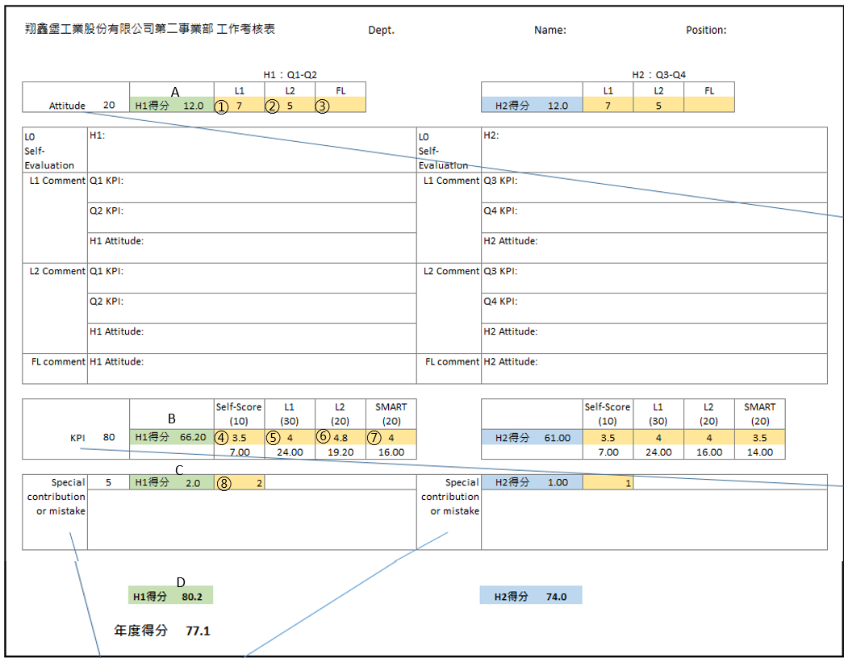
翔鑫堡工業股份有限公司第二事業部 |  |  |  | 工作考核表 |  |  | Dept. |  |  | Name: |  |  | Position: |  |  |  |  |  |  |  |  |  |  |  |  |  | Yellow part from each quarter data
 |  |  |  |  |  |  |  |  |  |  |  |  |  |  |  |  |  |  |  |  |  |  |  |  |  |  | ① | From Q2, L1 score attitude
 |  |  |  |  |  |  |  |  |  |  |  |  |  |  |  |  |  |  |  |  |  |  |  |  |  |  | ② | From Q2, L2 score attitude
 |  |  |  | H1：Q1-Q2 |  |  |  |  |  |  | H2：Q3-Q4 |  |  |  |  |  |  |  |  |  |  |  |  |  |  |  | ③ | From Q2, functional leader score attitude, some L0 without functional leader, this column keep blank
 |  |  |  | L1 | L2 | FL |  |  |  |  | L1 | L2 | FL |  |  |  |  |  |  |  |  |  |  |  |  |  | ④ | From Q2, L0 self-score
From System OC User
From System.Account
Temporary be blank in this column
Attitude | 20 | H1得分 | 12.0 | 7 | 5 |  |  |  | H2得分 | 12.0 | 7 | 5 |  |  |  |  |  |  |  |  |  |  |  |  |  |  | ⑤ | [(Q1 L1 score KPI) + (Q2 L1 score KPI)] / 2
 |  |  |  |  |  |  |  |  |  |  |  |  |  |  |  |  |  |  |  |  |  |  |  |  |  |  | ⑥ | [(Q1 L2 score KPI) + (Q2 L2 score KPI)] / 2
L0 Self-Evaluation | H1: |  |  |  |  |  |  | L0 Self-Evaluation | H2: |  |  |  |  |  |  |  |  |  |  |  |  |  |  |  |  |  | ⑦ | [(Q1 GHR score SMART) + (Q2 GHR score SMART)] / 2
 |  |  |  |  |  |  |  |  |  |  |  |  |  |  |  |  |  |  |  |  |  |  |  |  |  |  | ⑧ | From Q2 L2 score Special contribution or mistake. If there's no special score, this column display 0
Tooltip on column Attitude, show content as below
L1 Comment | Q1 KPI: |  |  |  |  |  |  | L1 Comment | Q3 KPI:
 |  |  |  |  |  |  |  |  |  |  |  |  |  |  |  |  |  |  |  |  |  |  |  |  |  |  | ④.1 | If ④ is 5 and then ④.1 = 10
 | Q2 KPI: |  |  |  |  |  |  |  | Q4 KPI: |  |  |  |  |  |  |  |  |  |  |  |  |  |  |  |  |  | ④.1 | If ④ is 0 and then ④.1 = 0
 |  |  |  |  |  |  |  |  |  |  |  |  |  |  |  |  |  |  |  |  |  |  |  |  |  |  | ④.1 | If ④ is more than 0 and less than 5, then ④.1 = ④ * 10 /5
 | H1 Attitude: |  |  |  |  |  |  |  | H2 Attitude: |  |  |  |  |  |  |  |  |  |  |  |  |  |  |  |  |  | ⑤.1 | If ⑤ is 5 and then ⑤.1 = 30
 |  |  |  |  |  |  |  |  |  |  |  |  |  |  |  |  |  |  |  |  |  |  |  |  |  |  | ⑤.1 | If ⑤ is 0 and then ⑤.1 = 0
L2 Comment | Q1 KPI: |  |  |  |  |  |  | L2 Comment | Q3 KPI: |  |  |  |  |  |  |  |  |  |  |  |  |  |  |  |  |  | ⑤.1 | If ⑤ is more than 0 and less than 5, then ⑤.1 = ⑤ * 30 /5
 |  |  |  |  |  |  |  |  |  |  |  |  |  |  |  |  |  |  |  |  |  |  |  |  |  |  | ⑥.1 | If ⑥ is 5 and then ⑥.1 = 20
 | Q2 KPI: |  |  |  |  |  |  |  | Q4 KPI: |  |  |  |  |  |  |  |  |  |  |  |  |  |  |  |  |  | ⑥.1 | If ⑥ is 0 and then ⑥.1 = 0
 |  |  |  |  |  |  |  |  |  |  |  |  |  |  |  |  |  |  |  |  |  |  |  |  |  |  | ⑥.1 | If ⑥ is more than 0 and less than 5, then ⑥.1 = ⑥ * 20 /5
 | H1 Attitude: |  |  |  |  |  |  |  | H2 Attitude: |  |  |  |  |  |  |  |  |  |  |  |  |  |  |  |  |  | ⑦.1 | If ⑦ is 5 and then ⑦.1 = 20
 |  |  |  |  |  |  |  |  |  |  |  |  |  |  |  |  |  |  |  |  |  |  |  |  |  |  | ⑦.1 | If ⑦ is 0 and then ⑦.1 = 0
FL comment | H1 Attitude: |  |  |  |  |  |  | FL comment | H2 Attitude: |  |  |  |  |  |  |  |  |  |  |  |  |  |  |  |  |  | ⑦.1 | If ⑦ is more than 0 and less than 5, then ⑦.1 = ⑦ * 20 /5

 |  |  |  |  |  |  |  |  |  |  |  |  |  |  |  |  |  |  |  |  |  |  |  |  |  |  | Green part
 |  |  |  | Self-Score (10) | L1 (30) | L2 (20) | SMART (20) |  |  |  | Self-Score (10) | L1 (30) | L2 (20) | SMART (20) |  |  |  |  |  |  |  |  |  |  |  |  | A | If FL is blank, then A= ① + ②
 |  |  |  |  |  |  |  |  |  |  |  |  |  |  |  |  |  |  |  |  |  |  |  |  |  |  | A | If FL is not blank, then A= (① + ② + ③) * 20 / 30
Tooltip on column KPI, show content as below
KPI | 80 | H1得分 | 66.20 | 3.5 | 4 | 4.8 | 4 |  | H2得分 | 61.00 | 3.5 | 4 | 4 | 3.5 |  |  |  |  |  |  |  |  |  |  |  |  | B | (④.1) + (⑤.1) + (⑥.1) + (⑦.1)
 |  |  |  | 7.00 | 24.00 | 19.20 | 16.00 |  |  |  | 7.00 | 24.00 | 16.00 | 14.00 |  |  |  |  |  |  |  |  |  |  |  |  | C | =⑧
 |  |  |  |  |  |  |  |  |  |  |  |  |  |  |  |  |  |  |  |  |  |  |  |  |  |  | D | = A + B + C
Special contribution or mistake | 5 | H1得分 | 2.0 | 2 |  |  |  | Special contribution or mistake | H2得分 | 1.00 | 1
 |  |  |  |  |  |  |  |  |  |  |  |  |  |  |  |  |  |  |  |  |  |  |  |  |  |  | For H2, formula is the same, only exchange Q1, Q2 to Q3, Q4

 |  | H1得分 | 80.2 |  |  |  |  |  | H2得分 | 74.0

 |  | 年度得分 | 77.1

Tooltip on column Special contribution or mistake, show content as below:
一階主管提報，由人員舉證，加 1-5 分。或扣 1-5 分

 |  |  |  |  |  |  |  |  |  |  |  |  |  |  | 工作態度 = 主動積極 + 溝通及EQ + 配合度 | 非常好 10 分 | 較好 8-9 分 | 一般 6-7 分 | 較差 4-5 分 | 極差 3 分以下 |  | 5>= X >=4.5 超出預期 | 4.5> X >=4 符合預期 | 4 > X >=3 大部分符合預期 | 3> X >=2 部分符合預期 | 2> X >= 0 不佳不符合預期
 |  |  |  |  |  |  |  |  |  |  |  |  |  |  | Attitude = Proactiveness + Communication & EQ + Cooperation | Excellent 10 points | Good 8-9 points | Normal 6-7 points | Not goo 4-5 points | Poor 3 points or below |  | Exceed expectation | Meet expectation | Mostly meet expectation | Partly meet expectation | Poorly or not meet expectation

1
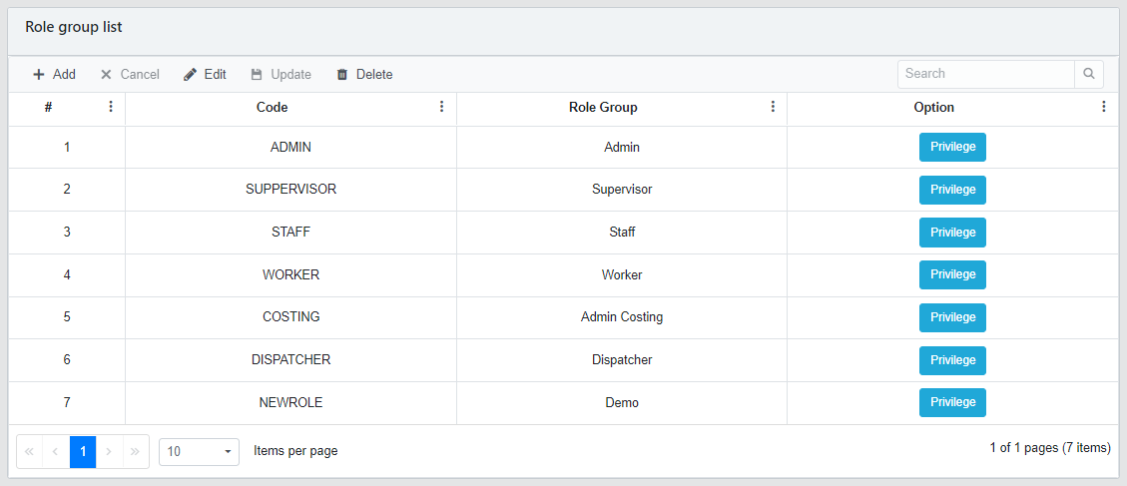
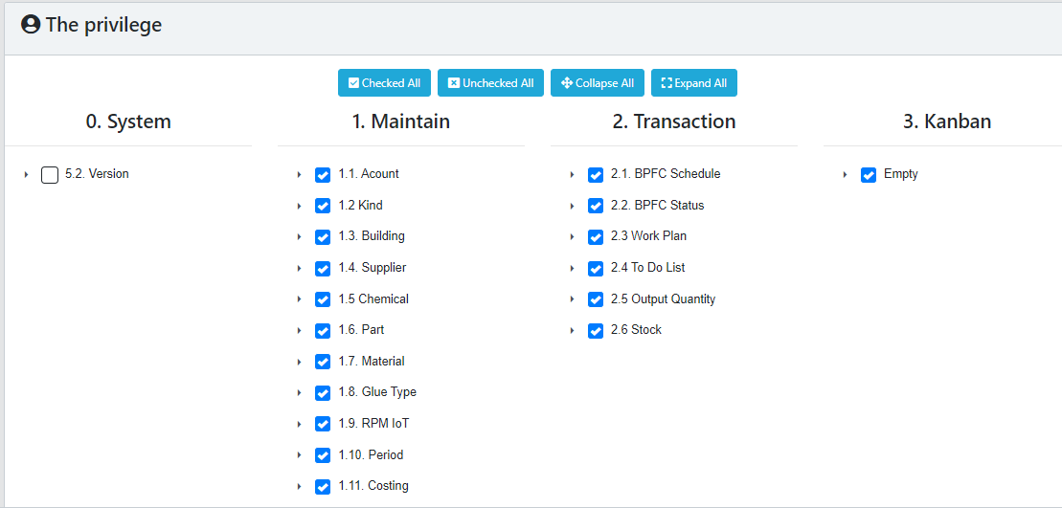
BACK

2
BACK

 | # | Staff ID | Full Name | Password | Email | Account Group | L1 Manager | Functional Leader | Thao tac | Account Group | Function Manager
 | 1 | C90647 | Yvonne.Hsueh | ****** | Yvonne.Hsueh@shc.ssbshoes.com | Updater | Swook.Lu |  |  | Admin | Hien
 | 2 | C90394 | Swook.Lu | ****** | Swook.Lu@shc.ssbshoes.com | Updater | Erick.Chong |  |  | GM | Chi Hao
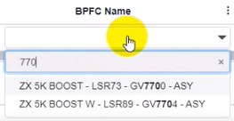
Dropdown list
 | 3 | Erick.Chong | Erick.Chong | ****** | Erick.Chong@shc.ssbshoes.com | Factory Head | Tim |  |  | GHR | David
 |  |  |  |  |  |  |  |  |  | GQIP | Vincent
 |  |  |  |  |  |  | it can't be blank, it's single select. | it can be blank, it's single select. |  | GME | Heidy
 |  |  |  |  |  |  |  |  |  | GP
 |  |  |  |  |  |  |  |  |  | Factory Head
 |  |  |  |  |  |  |  |  |  | Updater
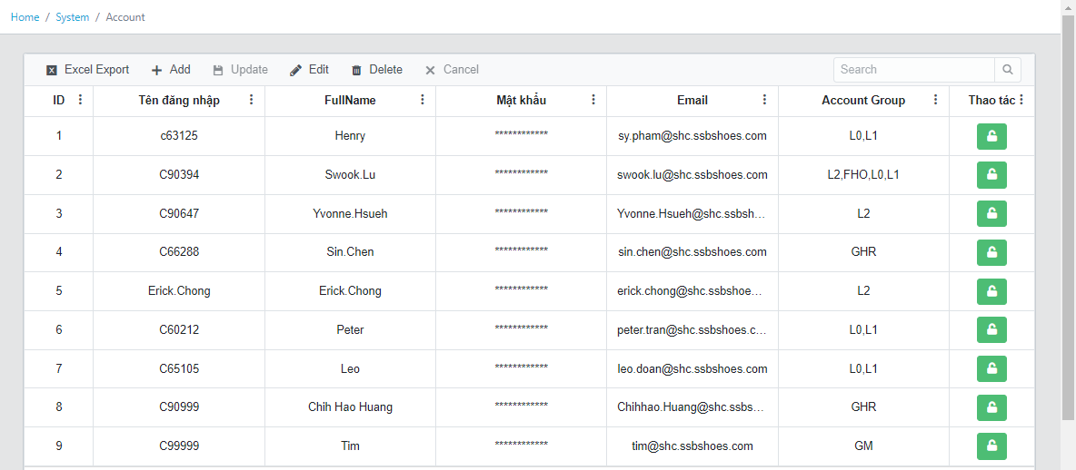
 |  |  |  |  |  |  |  |  |  | User

KPI Objective
 | KPI Objective
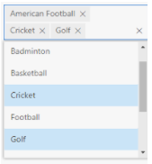

# | KPI Objective | PIC | Date | Option
1 | 开发样品每月签CWA FGT 通过率 95% | 胡青艳 | 2021-05-02 |  | KPI Objective | PIC
2 | KPI Objective B | ….. | ….. |  | 开发样品每月签CWA FGT 通过率 95% | 胡青艳
3 | KPI Objective C | ….. | …..
4 | …… | ….. | …..
5 | …… | ….. | …..
6 | …… | ….. | …..
7 | …… | ….. | …..
8 | …… | ….. | …..

 |  |  |  |  |  |  | Click Finished, the data will be saved and then display in KPI objective page & L0 To Do List.

